Proforma Invoice
PROFORMA INVOICE

VRIDDHI FUELS |  |  |  | Proforma Invoice No. |  | PI/2026-27/004
Authorised Dealer – Indian Oil Corporation Limited |  |  |  | Date |  | 28/08/2026
At- Kherual, PO- Badmal, Dist- Jharsuguda, Odisha – 768202 |  |  |  | Valid Up To (midnight) |  | 31/08/2026
GSTIN: 21AATFV8250A1Z8 PAN: AATFV8250A |  |  |  | Buyer's P.O. No. |  | P726Y-00713
Mob: 9937344411 / 7008540577 |  |  |  | P.O. Date
Email: subhamkhetan@gmail.com |  |  |  | Place of Supply |  | Odisha (21)

Buyer (Bill To) |  |  |  | Consignee (Ship To / Delivery Address)
Aryan Ispat & Power Private Ltd. |  |  |  | Aryan Ispat & Power Private Ltd.
Sambalpur. |  |  |  | Sambalpur.
GSTIN: 21AAECA5656R1ZB |  |  |  | GSTIN: 21AAECA5656R1ZB

State Name & Code: Odisha, 21 |  |  |  | Contact Person / Mob:

S.No. | Description of Goods |  | HSN Code | Quantity (Ltr) | Rate (₹/Ltr) | Amount (₹)
1 | High Speed Diesel (HSD) |  | 27101930 | 12,000 | 99.74 | 1196880.00
 | TOTAL |  |  | 12,000 |  | 1196880.00

Note: High Speed Diesel is outside the purview of GST. Rate quoted is inclusive of applicable VAT,
freight and delivery charges (FOR Buyer's site). No GST is charged on this supply. |  |  |  |  | Sub Total | 1196880.00
Retail Selling Price at our RO: Rs.100.74/Ltr Less: Special Discount Rs.1.00/Ltr Net Offer Price: Rs.99.74/Ltr |  |  |  |  | Round Off | 0.00 | Helpers – outside print area (A1:H49)
Total benefit passed on to you on this supply: Rs.12,000 (on 12,000 Ltr). Discount is applied on the prevailing IOCL RSP at every price revision. |  |  |  |  | Grand Total (₹) | ₹1196880 | XtraPower points on this supply | 0
 |  |  |  |  |  |  | Effective rate after points (₹/Ltr) | 99.74
Amount Chargeable (in words): |  | Rupees Eleven Lakh Ninety Six Thousand Eight Hundred Eighty Only

Payment Details – 100% Advance (RTGS / NEFT) |  |  |  | Terms & Conditions
Account No. – 59217010101010 |  |  |  | 1. Payment: 100% advance against this Proforma Invoice. Dispatch only after credit is realised.
IFSC Code – HDFC0000763 |  |  |  | 2. Price basis: FOR Buyer's site. Freight, P&F and delivery charges inclusive.
Branch Name- HDFC BANK LTD, JHARSUGUDA |  |  |  | 3. Rate is linked to IOCL Retail Selling Price and changes with every IOCL price revision.
Benerficiary Name- VRIDDHI FUELS |  |  |  | 4. Billing will be at the rate prevailing on the date of actual dispatch.
Payment Reference: quote PI No. & P.O. No. |  |  |  | 5. Validity: this PI is valid up to midnight of the 'Valid Up To' date shown above – the 15th
 |  |  |  | for PIs dated 1st–15th, and month-end for PIs dated after the 15th.
Declaration: |  |  |  | 6. HSD is outside GST; supply attracts VAT, which is included in the rate. HSN 27101930.
We declare that this Proforma Invoice shows the actual price of the goods described and that |  |  |  | 7. Delivery: immediate against confirmation, during working hours, at the address shown.
all particulars are true and correct. This is a Proforma Invoice for advance payment only – it is |  |  |  | 8. Quantity is subject to temperature / density variation as per IOCL norms; quantity and
NOT a Tax Invoice and is not valid for claiming input tax credit. |  |  |  | density recorded at the delivery point shall be final and binding.
 |  |  |  | 9. Shortage or quality claims must be raised in writing within 24 hours of delivery.
 |  |  |  | 10. Tax Invoice and Delivery Challan will be issued at the time of delivery.

Received the above Proforma Invoice and accept the terms stated. |  |  |  |  | for VRIDDHI FUELS

 |  |  |  |  |  | 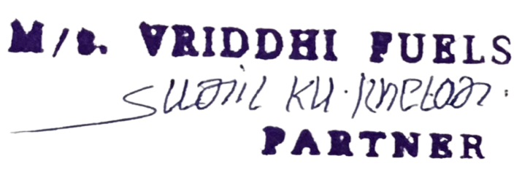

Buyer's Signature & Seal |  |  |  |  | Authorised Signatory

This is a computer-generated Proforma Invoice.

